Data Input
Water Injector System™
Return on Investment Worksheet
Assumptions (data input)

Prepared for

Prepared by |  |  |  |  | Date

 | 12 cell | 18 cell | 20 Cell | 24 Cell

Number of batteries in facility

Industry standard states 1 minute per cell to water manually.
Cost of battery

Time to manually water (minutes) | 12 | 18 | 20 | 24
15 second fill plus some time to connect and disconnect
Time to water with Injectors (minutes) | 0.5 | 0.5 | 0.5 | 0.5

Note: $17.25 per cell is list price
Cost of Injector String (include installation)

Installed Cost of Battery Monitor (Blinky)

A well maintained battery is assumed to last 5 years (60 months). In many facilities, poor watering practices lead to premature battery failure either due to dryout of cells or loss of electrolyte due to overfilling and boil over. improper maintainance can easily reduce life by 5% to 10%, or 3 to 6 months.
Cost of water supply

Number of waterings per year | 52

Extra Battery Life (months) | 6

Acid boilovers reduce run-time by up to 15 minutes per occurance or 3% of battery capacity. The result is an increased number of battery change outs.
 | Battery operator | Forklift Driver
Fully loaded labor rate

Time spent on battery change (minutes) | 10 | 15

Number of battery changes per day (avg) | 1

 | Year 1 | Year 2 | Year 3 | Year 4 | Year 5
Reduction in battery changes (%) | 1.00% | 2.00% | 3.00% | 4.00% | 5.00%

© 2013 Philadelphia Scientific LLC. All Rights Reserved. Philadelphia Scientific and the PS logo are registered trademarks of Philadelphia Scientific LLC. Water Injector System and Blinky are trademarks of Philadelphia Scientific LLC. E&O.E. PAKA657

Summary
Water Injector System™
Return on Investment Worksheet
Executive Summary

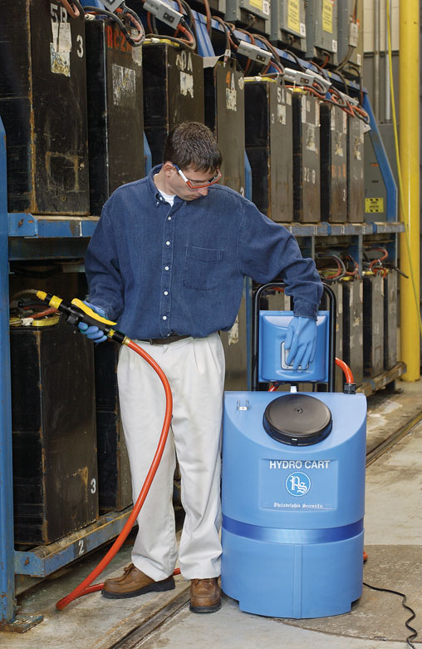
Prepared for
Date prepared
Prepared by

Summary of Analysis Results
Total System Cost | $0.00
Total Savings over 5 years | $0.00
Return on Investment (IRR) | #NUM!
Payback Period (months) | #DIV/0!
Financial Impact of Water Injector System
Total cost | $0.00
Total savings | $0.00

Benefits of the Water Injector System
● Longer battery life and
sustained capacity
● Improved safety and
cleanliness
● Higher productivity

Return on investment (ROI) calculations are based upon the fast-fill
capability of Philadelphia Scientific Water Injector System™. The slow fill
speed of other systems will result in a lower ROI.

© 2013 Philadelphia Scientific LLC. All Rights Reserved. Philadelphia Scientific and the PS logo are registered trademarks of Philadelphia Scientific LLC. Water Injector System and Blinky are trademarks of Philadelphia Scientific LLC. E&O.E. PAKA657

Final result
Water Injector System™
Return on Investment Worksheet
Detailed Results

Year | 0 | 1 | 2 | 3 | 4 | 5 | TOTAL
Cost of system | $0.00 |  |  |  |  |  | $0.00
Labor savings |  | $0.00 | $0.00 | $0.00 | $0.00 | $0.00 | $0.00
Reduced battery changes savings |  | $0.00 | $0.00 | $0.00 | $0.00 | $0.00 | $0.00
Increased battery life savings |  | $0.00 | $0.00 | $0.00 | $0.00 | $0.00 | $0.00
Total | $0.00 | $0.00 | $0.00 | $0.00 | $0.00 | $0.00 | $0.00

Savings Due to Water Injectors
Results
Total cost | $0.00
Total savings | $0.00
Return on Investment (IRR) | #NUM!
Payback period (months) | #DIV/0!

Financial Impact of Water Injector System over 5 years

© 2013 Philadelphia Scientific LLC. All Rights Reserved. Philadelphia Scientific and the PS logo are registered trademarks of Philadelphia Scientific LLC. Water Injector System and Blinky are trademarks of Philadelphia Scientific LLC. E&O.E. PAKA657

