Data Input
 | Stealth Watering System™
 | Return on Investment Worksheet
 | Assumptions (data input)

 | Prepared for

 | Prepared by |  |  |  |  | Date

 |  | 12 cell | 18 cell | 24 Cell | 36 Cell | 40 Cell

 | Number of batteries in facility

Industry standard states 1 minute per cell to water manually.
 | Cost of battery

 | Time to manually water (minutes) | 12 | 18 | 24 | 36 | 40

Times based on watering with Stealth Watering Cart plus some time to connect and disconnect
 | Time to water with Stealth Watering System (minutes) | 1 | 1.5 | 2 | 3 | 3.5

Note: $17.25 per cell is list price
 | Cost of Stealth Watering System (include installation)

 | Installed Cost of Battery Monitor (Blinky)

A well maintained battery is assumed to last 5 years (60 months). In many facilities, poor watering practices lead to premature battery failure either due to dryout of cells or loss of electrolyte due to overfilling and boil over. improper maintainance can easily reduce life by 5% to 10%, or 3 to 6 months.
 | Cost of water supply

 | Number of waterings per year | 52

 | Extra Battery Life (months) | 6

Acid boilovers reduce run-time by up to 15 minutes per occurance or 3% of battery capacity. The result is an increased number of battery change outs.
 |  | Battery operator | Forklift Driver
 | Fully loaded labor rate

 | Time spent on battery change (minutes) | 10 | 15

 | Number of battery changes per day (avg) | 1

 |  | Year 1 | Year 2 | Year 3 | Year 4 | Year 5
 | Reduction in battery changes (%) | 1.00% | 2.00% | 3.00% | 4.00% | 5.00%

© 2013 Philadelphia Scientific LLC. All Rights Reserved. Philadelphia Scientific and the PS logo are registered trademarks of Philadelphia Scientific LLC. Stealth Watering System and Blinky are trademarks of Philadelphia Scientific LLC. E&O.E. PAKA660

Summary
Stealth Watering System™
Return on Investment Worksheet
Executive Summary

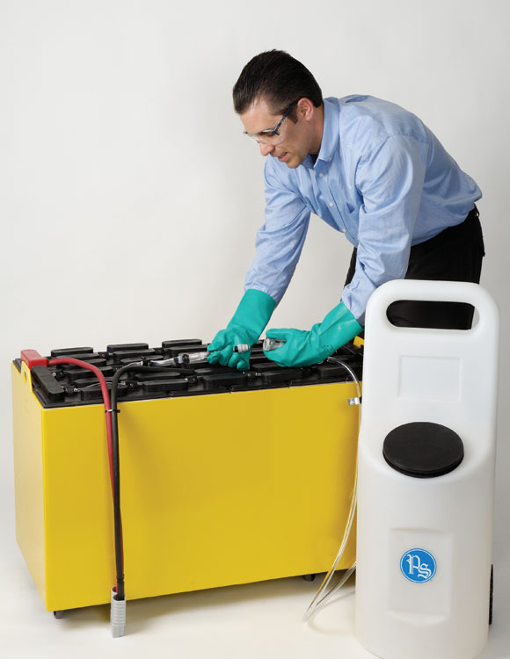
Prepared for
Date prepared
Prepared by

Summary of Analysis Results
Total System Cost | $0.00
Total Savings over 5 years | $0.00
Return on Investment (IRR) | #NUM!
Payback Period (months) | #DIV/0!
Financial Impact of Stealth Watering SystemTM
Total cost | $0.00
Total savings | $0.00

Benefits of the Stealth Watering SystemTM
● Longer battery life and
sustained capacity
● Improved safety and
cleanliness
● Higher productivity

© 2013 Philadelphia Scientific LLC. All Rights Reserved. Philadelphia Scientific and the PS logo are registered trademarks of Philadelphia Scientific LLC. Stealth Watering System and Blinky are trademarks of Philadelphia Scientific LLC. E&O.E. PAKA660

Final result
Stealth Watering System™
Return on Investment Worksheet
Detailed Results

Year | 0 | 1 | 2 | 3 | 4 | 5 | TOTAL
Cost of system | $0.00 |  |  |  |  |  | $0.00
Labor savings |  | $0.00 | $0.00 | $0.00 | $0.00 | $0.00 | $0.00
Reduced battery changes savings |  | $0.00 | $0.00 | $0.00 | $0.00 | $0.00 | $0.00
Increased battery life savings |  | $0.00 | $0.00 | $0.00 | $0.00 | $0.00 | $0.00
Total | $0.00 | $0.00 | $0.00 | $0.00 | $0.00 | $0.00 | $0.00

Savings Due to the Stealth Watering System™
Results
Total cost | $0.00
Total savings | $0.00
Return on Investment (IRR) | #NUM!
Payback period (months) | #DIV/0!

Financial Impact of Stealth Watering System™ over 5 years

© 2013 Philadelphia Scientific LLC. All Rights Reserved. Philadelphia Scientific and the PS logo are registered trademarks of Philadelphia Scientific LLC. Stealth Watering System and Blinky are trademarks of Philadelphia Scientific LLC. E&O.E. PAKA660

